Heatmaps
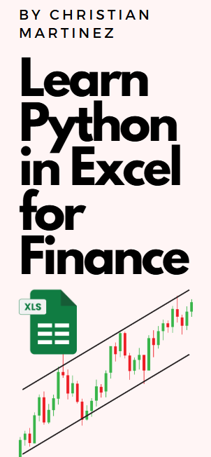
Data Visualization with Python in Excel for Beginners - Heatmaps
Prepare Dummy Financial Data

Let’s create a dummy dataset that mimics monthly financial data over a few years, including Revenue, Expenses, and Profit:

0

You can replace this with your own data

1. Basic Heatmap (Correlation Matrix)

In this first step, we'll create a simple heatmap to visualize the correlations between various financial metrics. We'll calculate the correlation matrix and then plot it using Matplotlib.

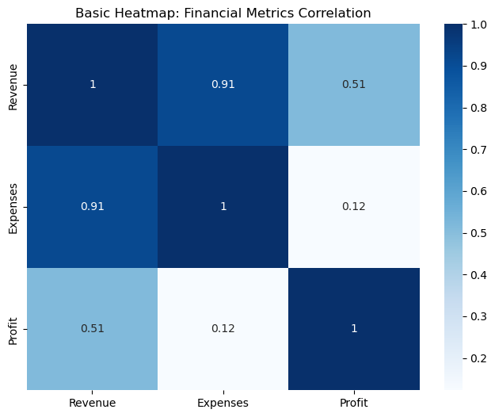

Explanation:

sns.heatmap(): Creates the heatmap.
annot=True: Displays the correlation values inside each cell.
cmap='Blues': Uses the blue color palette for the heatmap.

2. Intermediate Heatmap (Custom Colors and Labels)

Now we’ll enhance the heatmap by adding custom color schemes, labels, and better formatting. This step focuses on making the heatmap more visually appealing.

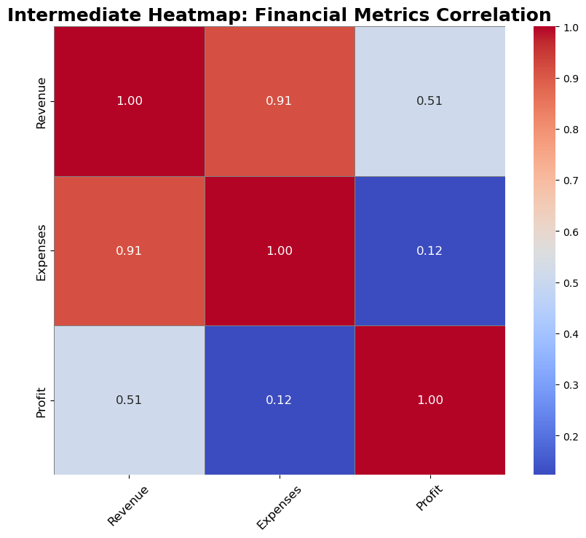

Explanation:

cmap='coolwarm': Changes the color map to a diverging palette from blue to red.
linewidths=0.5 and linecolor='gray': Adds lines between cells to create a grid-like effect.
annot_kws={"size": 12}: Adjusts the font size of the annotations inside the heatmap.
fmt='.2f': Formats the numbers inside the cells to show only 2 decimal places.
xticks and yticks: Adjusts the font size and rotation for better readability.

3. Advanced Heatmap (Annotations, Masking, and Custom Color Palettes)

In this advanced step, we’ll create a visually sophisticated heatmap by adding more customizations. We’ll mask half of the matrix, adjust the colorbar, apply more complex color gradients, and further enhance the layout.

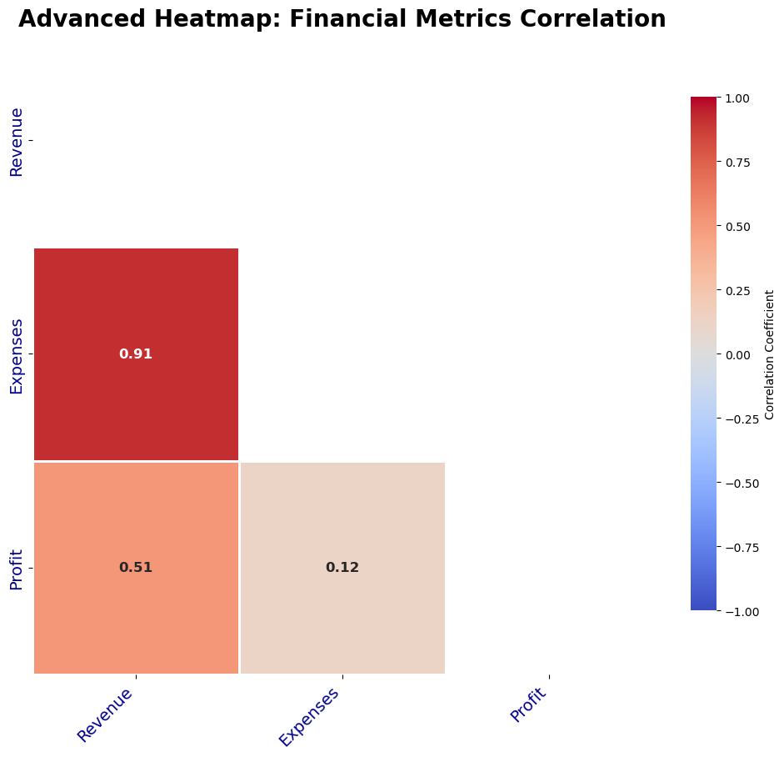

Now let's do an even more advanced use case

For this, we'll create a robust dataset with 6 financial metrics: Revenue, Expenses, Profit, COGS, Operating Income, and Net Income.

 | 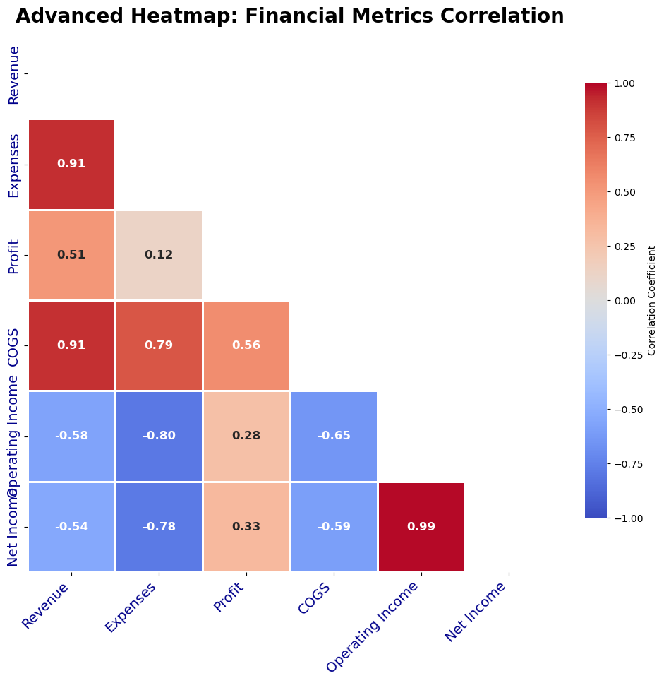

This advanced heatmap will visually display the correlations between six financial metrics (Revenue, Expenses, Profit, COGS, Operating Income, and Net Income). The customization focuses on readability, professional formatting, and data clarity.

You can easily extend this by adding more metrics or applying the same format to other types of financial matrices, such as variances or forecast data.

